Summary
Please refer to worksheet "Page2"
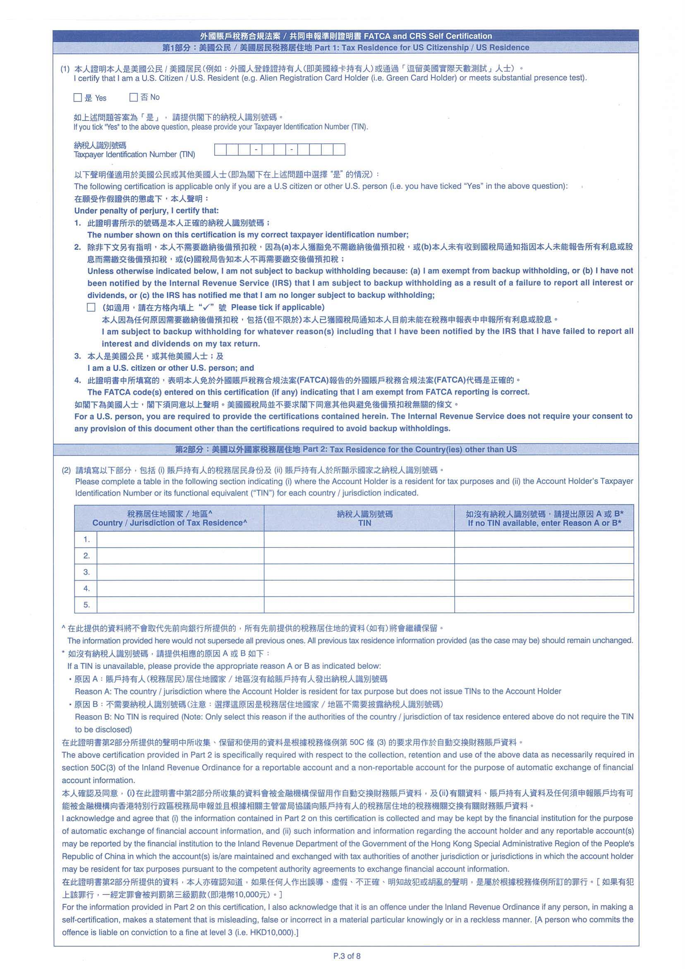
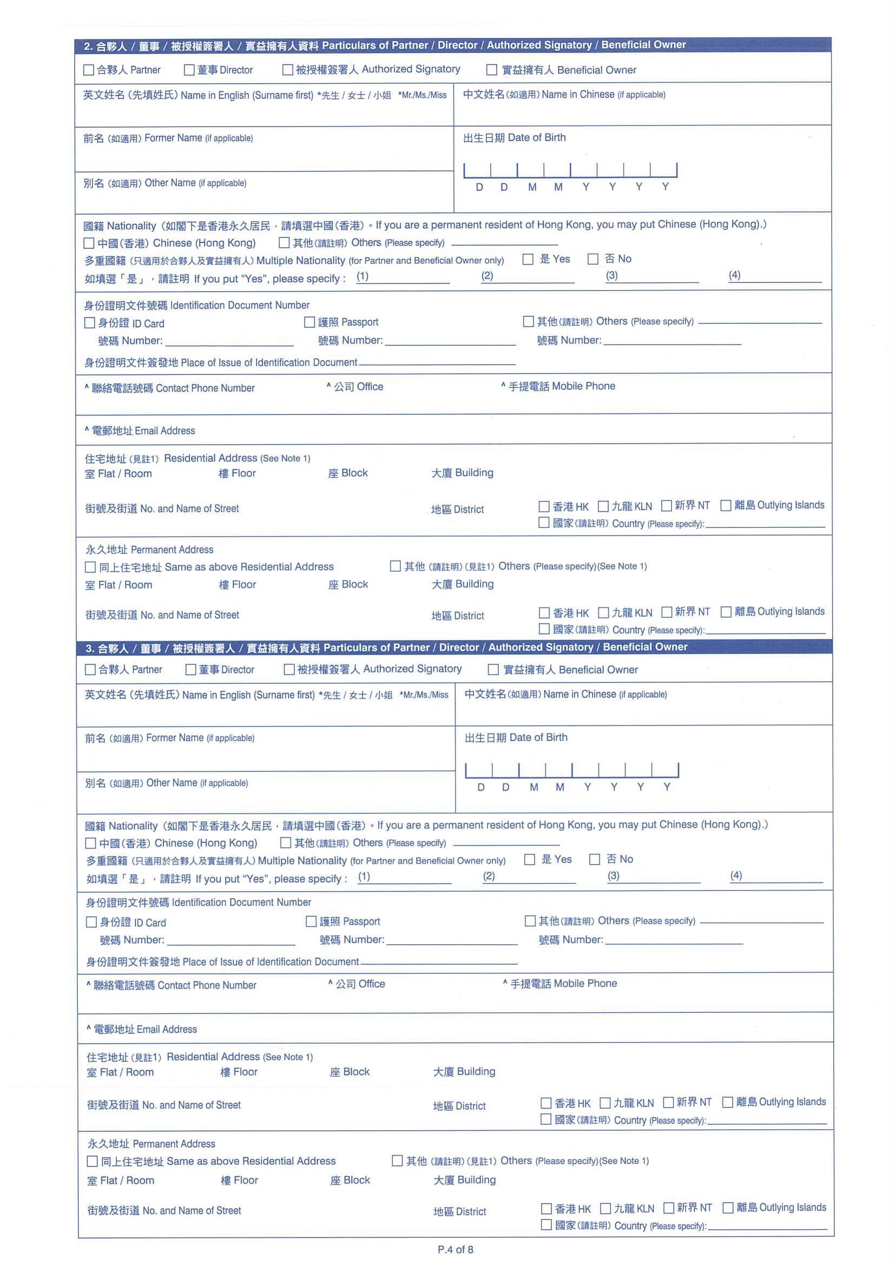
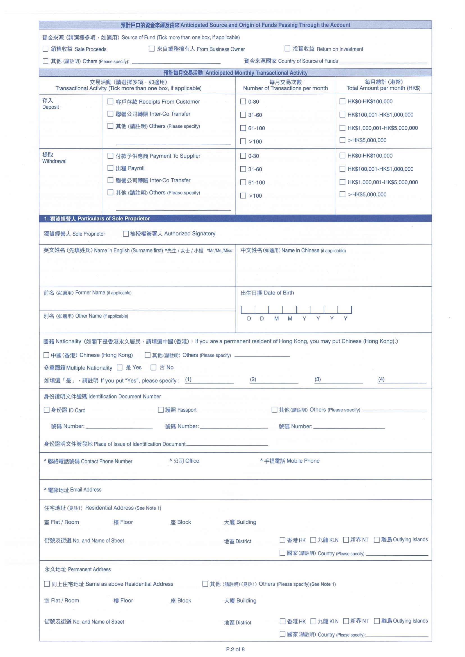
1. Please refer to below existing Business Account Opening form
2. Please refer to respective tab for the detailed field and validation.
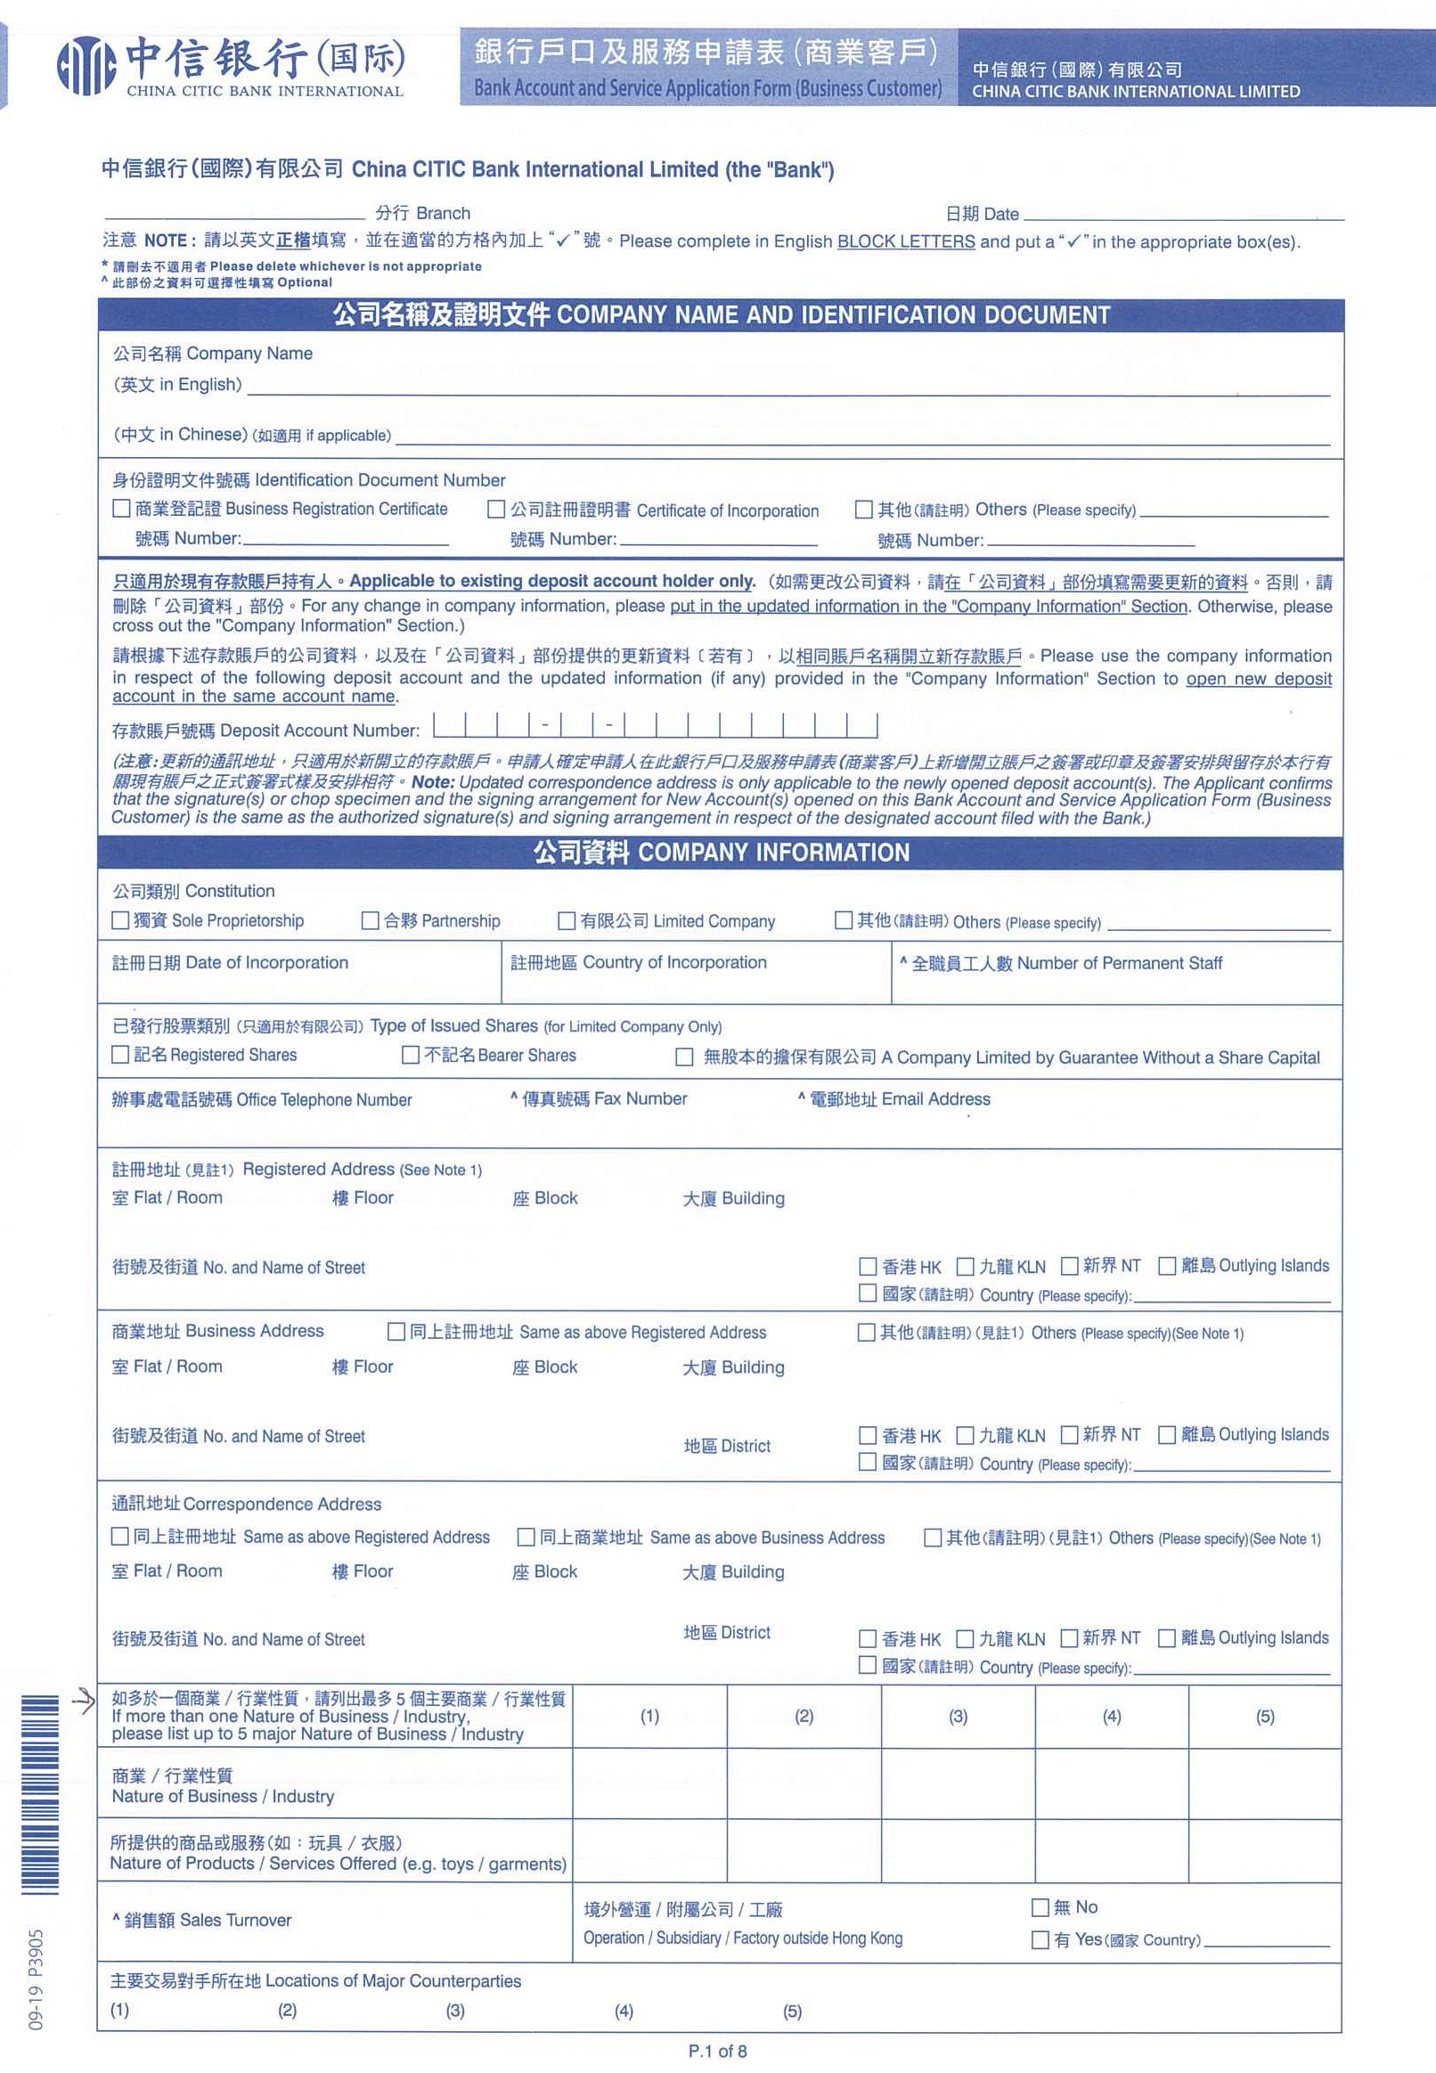

Detailed field and validation of "Particulars of Partner / Director / Authorized Singatory / Beneficial Owner" related party will be provided later in a separate worksheet.
Please refer to worksheet "Page1"

Detailed field and validation of "Particulars of Sole Proprietor" related party will be provided later in a separate worksheet.

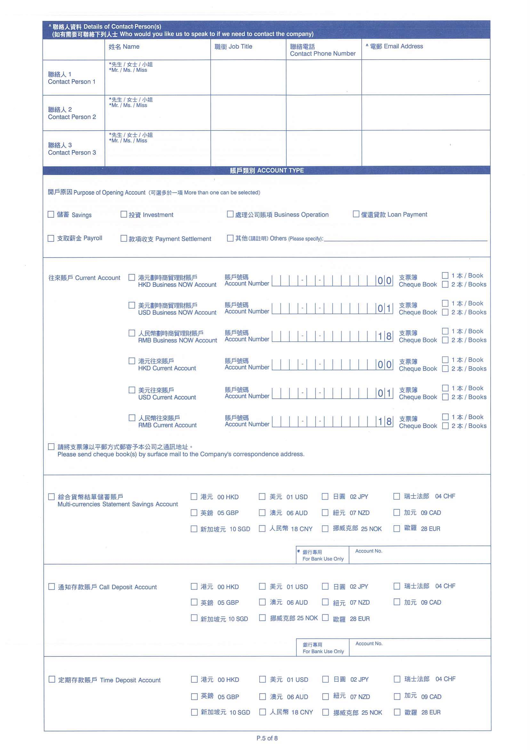
Detailed field and validation of "ATM service" will be provided later in a separate worksheet.
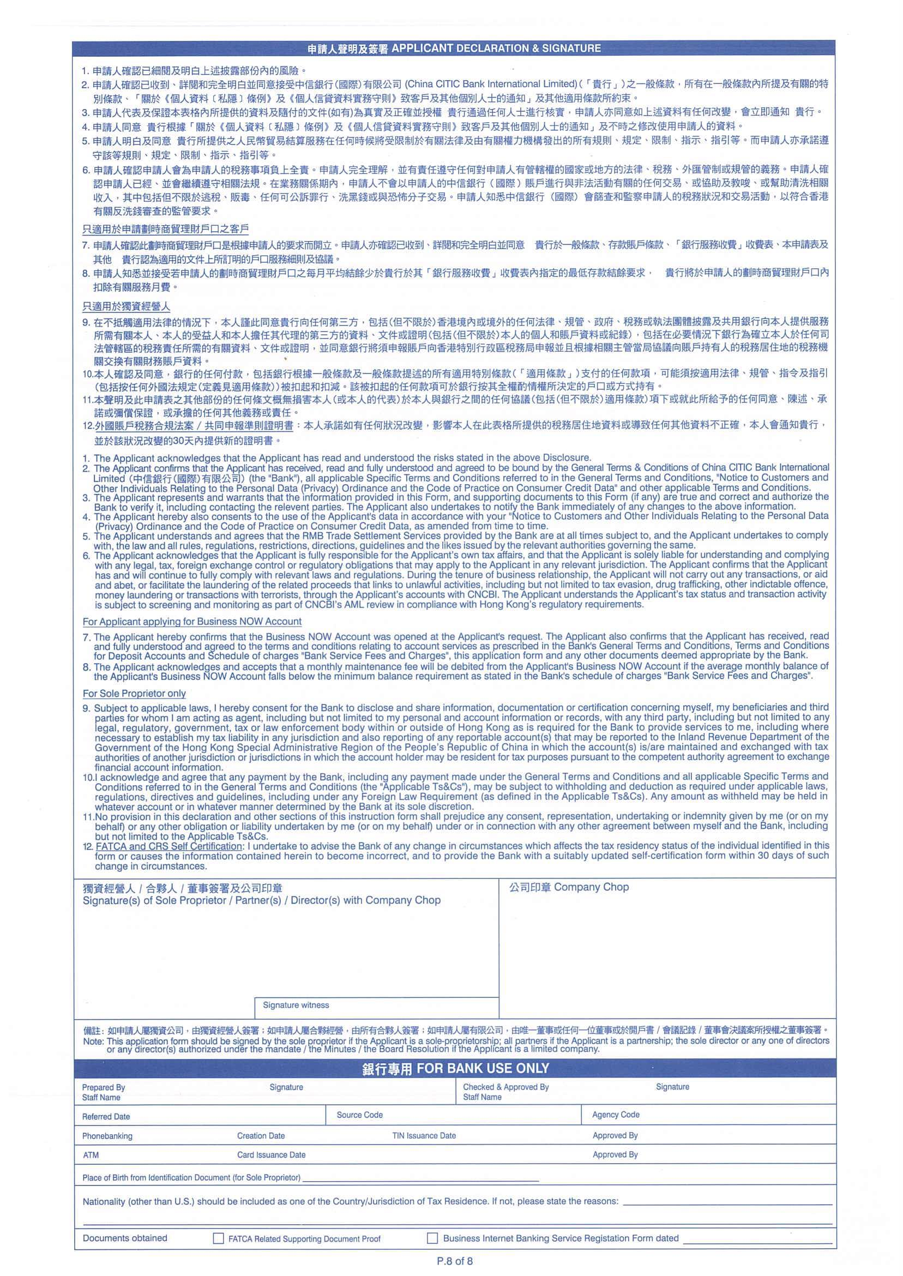
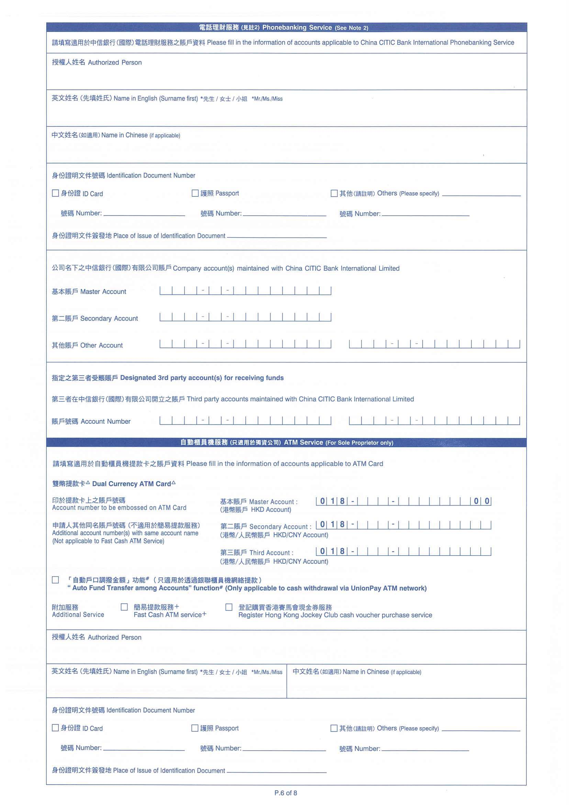
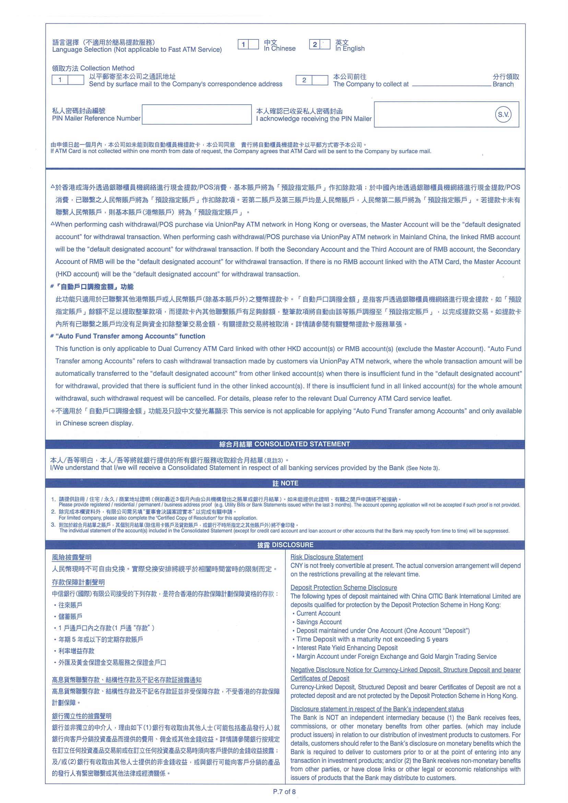

Please refer to worksheet "Company Information Part1" and "Company Information Part2"
Detailed field and validation of "Phonebanking Service" will be provided later in a separate worksheet.
User is not required to input on this page in the fillable form.

Detailed field and validation of "Particulars of Sole Proprietor" related party will be provided later in a separate worksheet.

Detailed field and validation of "ATM service" will be provided later in a separate worksheet.

Page1
# | Field name (EN) | Field name (TC) | Field Type | Mandatory | Validation | Remark | Map to CAMS field label
Group 1: Company Name And Identification Document 公司名稱及證明文件
1 | Company Name (in English) | 公司名稱 (英文) | String (80) | Y |  |  | Company Name (in English)
2 | Company Name (in Chinese) | 公司名稱 (中文) | String (40) | N | -Support Chinese |  | Company Name (in Chinese) (if applicable)
3 | Identification Document Number Type | 公司證明文件類別 | Checkbox Value: -商業登記證 Business Registration Certificate -公司註冊證明書 Certificate of Incorporation -其他 (請註明) Others (Please specify) | Y | Allow select one of the options only | If BR/CI is selected, then map to CAMS. If Others is selected, no need map to CAMS. | Customer ID_Type
4 | Other Identification Document Number Type | 其他公司證明文件類別 | String (10) | -Mandatory only if type=others in #3 |  |  | Customer ID_Type_Others
5 | Identification Document Number | 公司證明文件號碼 | String (22) | Y |  |  | Customer ID Number
Group 2 : Company Information
6 | Constitution | 公司類別 | Checkbox Value: -獨資 Sole Proprietorship -合夥 Partnership -有限公司 Limited Company -其他 (請註明) Others (Please specify) | Y | Allow select one of the options only | If sole P/Partnership/limited is selected, then map to CAMS. If Others is selected, no need map to CAMS. | Constitution
7 | Constitution - Others (Please specify) | 公司類別-其他 (請註明) | String (50) | -Mandatory only if #6=others |  |  | N/A
8 | Date of Incorporation | 註冊日期 | Date (dd MMM yyyy) | Y |  |  | Date of Incorporation
9 | Country of Incorporation | 註冊地區 | Dropdown list -Refer to country code CSV | Y |  |  | Place of Incorporation
10 | Number of permanent staff | 全職員工人數 | Integer(9) | N |  |  | Number of Permanent Staff
11 | Types of Issued Shares | 已發行股票類別 | Dropdown list Value: -記名 Registered shares -不記名 Bearer shares -無股本的擔保有限公司 A Company Limited by Guarantee Without a Share Capital | -Mandatory when constitution = Limited in #6 | -Disable when consitution <> Limited Company |  | -Type of Issued Shares (for Limited Company Only)_Registered Shares -Type of Issued Shares (for Limited Company Only)_Bearer Shares -Type of Issued Shares (for Limited Company Only)_A Company Limited by Guarantee without a share captical -> cannot locate in cams??
12 | Office Telephone number | 辦公處電話號碼 | numeric String (3) | Y | -Default 852, editable by user | Office Telephone number Country code | Office Telephone No._Country Code
13 |  |  | numeric String (3) | N |  | Office Telephone number Area code | Office Telephone No._Area Code
14 |  |  | numeric String (11) | Y |  | Office Telephone number | Office Telephone No.
15 | Fax number | 傳真號碼 | numeric String (3) | N |  | Fax number Country code | Fax No._Country Code
16 |  |  | numeric String (3) | N |  | Fax number Area code | Fax No. _Area Code
17 |  |  | numeric String (11) | N |  | Fax number | Fax No.
18 | Email address | 電郵地址 | Email (70) | N |  |  | -Email Address -Email Address_Domain Name
19 | Registered Address | 註冊地址 | String (40) | Y |  | Registered Address - line 1 | register address - line 1
20 |  |  | String (40) | N |  | Registered Address - line 2 | register address - line 2
21 |  |  | String (40) | N |  | Registered Address - line 3 | register address - line 3
22 |  |  | Dropdown list -Refer to country code CSV | Y |  | Registered Address - Country | register address - Country
23 | Business Address -Same as Above Registered Address | 商業地址 -同上註冊地址 | checkbox | N | -user needs to check either #23 or #24 |  | Same as registered address
24 | Business Address -Others (Please Specify) | 商業地址 -其他 (請註明) | Checkbox | N | -user needs to check either #23 or #24
25 | Business Address | 商業地址 | String (40) | Mandatory when Same as Registered Addres #23 isn’t checked | -Disable #25-#28 if #23 is checked | Business Address - line 1 | Business Address - line 1
26 |  |  | String (40) | N |  | Business Address - line 2 | Business Address - line 2
27 |  |  | String (40) | N |  | Business Address - line 3 | Business Address - line 3
28 |  |  | Dropdown list -Refer to country code CSV | Mandatory when Same as Registered Addres #23 isn’t checked |  | Business Address - Country | Business Address - Country
29 | Correspondence Address -Same as Above Registered Address | 通訊地址 -同上註冊地址 | checkbox | N | -user needs to check either #29 or #30 or #31 |  | Same as registered address
30 | Correspondence Address -Same as Above Business Address | 通訊地址 -同上商業地址 | checkbox | N | -user needs to check either #29 or #30 or #31 -Disable this field if #23 is checked |  | Same as Business Address
31 | Correspondence Address -Others (Please Specify) | 通訊地址 -其他 (請註明) | Checkbox | N | -user needs to check either #29 or #30 or #31
32 | Correspondence Address | 通訊地址 | String (40) | Mandatory when Same as Registered Address and Same as Business Address are both not checked | -Disable #32-#35 if #29/30 is checked | Correspondence Address - line 1 | Correspondence Address - line 1
33 |  |  | String (40) | N |  | Correspondence Address - line 2 | Correspondence Address - line 2
34 |  |  | String (40) | N |  | Correspondence Address - line 3 | Correspondence Address - line 3
35 |  |  | Dropdown list -Refer to country code CSV | Mandatory when Same as Registered Address and Same as Business Address are both not checked |  | Correspondence Address - Country | Correspondence Address - Country

36 | Nature of Business / Industries | 商業/行業性質 | Dropdown list -Refer to FRS section 20.32 | Y | -Allow customer provide up to 5 pairs |  | Nature of Business / Industries
37 | Nature of Business/Industries (Others) | 商業/行業性質 (其他) | String (30) | -Mandatory when #36 select "Others" |  |  | Nature of Business / Industries Other (Please Specify)
38 | Nature of Products/Services offered | 所提供的商品或服務 | String (200) | Y |  |  | Nature of Products / Services Offered
39 | Sales Turnover | 銷售額 | Integer(9) | N |  |  | Sales Turnover
40 | Operation/Subsidiary/Factory outside Hong Kong | 境外營運/附屬公司/工廠 | Checkbox (Radio function) -Yes -No | Y | -Values: Yes, No |  | -Operation/ Subsidiary/ Factory outside HK_Yes -Country List for Operation/ Subsidiary/ Factory outside HK_No
41 | Country List for Operation/Subsidiary/Factory outside Hong Kong | 境外營運/附屬公司/工廠國家 | Dropdown list -Refer to CSV | -Mandatory if #40 = Yes | -Enable only when #40=Yes |  | Country List for Operation/ Subsidiary/ Factory outside HK (Yes)
42 | Locations of Major Counterparties | 主要交易對手所在地 | Dropdown list -Refer to CSV | Y | -Allow customer provide up to 5 pairs |  | Locations of Major Counterparties

Allow customer provide min. 1 value, max 5 values.

Page 2
Allow customer provide min. 1 value, max 5 values.
# | Field name (EN) | Field name (TC) | Field Type | Mandatory | Validation | Error message (EN) | Error message (TC) | Error message (SC) | Remark | Map to CAMS field label
Group 3: Anticipated Source and Origin of Funds Passing Through the Account 預計戶口的資金來源及由來 预计户口的资金来源及由来
43 | Source of Fund (Tick more than one box, if applicable) | 資金來源 (請選擇多項,如適用） | Check box Value(EN): -Sales Proceeds -From Business Owner -Return on Investment -Others (Please specify) Value(TC): -銷售收益 -來自業務擁有人 -投資收益 -其他 (請註明) | Y | -Allow multiple selection -Minimum check one box |  |  |  |  | Source of Fund_Sale Proceeds Source of Fund_From Business Owner Source of Fund_Return on Investment Source of Fund_Other
44 |  |  | String (50) | -Mandatory if #43 = Others is checked |  |  |  |  | Others (Please specify) | Source of Fund_Other (Please specify)
45 | Country of Source of Funds | 資金來源國家 | Dropdown list -Refer to CSV | Y | -Allow customer provide up to 5 pairs |  |  |  |  | Country of Source of Funds
Anticipated Monthly Transactional Acitivity
46 | Deposit - Transactional activity |  | Check box Values: -Receipts from customer -Inter-Co Transfer -Others (Please specify) | Y | -user needs to select at least one -If Others is selected, then pop up "Please specify" text field for customer to input |  |  |  |  | Deposit_Receipts From Customer Deposit_Inter-Co Transfer Deposit_Other
47 | Deposit - Transactional activity - Others (Please Specify) |  | String (50) | Mandatory when deposit = “Others” |  |  |  |  |  | Deposit_Other (Please specify)
23 | Deposit - Number of transactions per month |  | Checkbox Values: - 0-30, - 31-60, - 61-100, - >100 | Y | Only allow user to select one of the options |  |  |  |  | Deposits (No. of Transaction) per month
24 | Deposit - Total amount per month (HK$) |  | Checkbox Values: - HK$0-HK$100,000 , - HK$100,001-HK$1,000,000 , - HK$1,000,001-HK$5,000,000 , - >HK$5,000,000 | Y | Only allow user to select one of the options |  |  |  |  | Deposits (Total Amount) per month
25 | Withdrawal - Transactional activity |  | Check box Values: -Payment to Supplier, -Payroll, -Inter-Co transafer, -Others (Please specify) | Y | -user needs to select at least one -If Others is selected, then pop up "Please specify" text field for customer to input |  |  |  |  | Withdrawal_Payment To Supplier Withdrawal_Payroll Withdrawal_Inter-Co Transfer Withdrawal _Other
 | Withdrawal - Transactional activity - Others (Please specify) |  |  | Mandatory when withdrawal = “Others” |  |  |  |  |  | Withdrawal _Other (Please specify)
26 | Withdrawal - Number of transactions per month |  | Checkbox Values: - 0-30, - 31-60, - 61-100, - >100 | Y | Only allow user to select one of the options |  |  |  |  | Withdrawals (No. of Transaction) per month
27 | Withdrawal - Total amount per month (HK$) |  | Checkbox Values: - HK$0-HK$100,000 , - HK$100,001-HK$1,000,000 , - HK$1,000,001-HK$5,000,000 , - >HK$5,000,000 | Y | Only allow user to select one of the options |  |  |  |  | Withdrawal (Total Amount) per month

